Design
 |  |  |  |  |  |  |  |  |  |  |  |  | CONCRETE MIX DESIGN SUBMITTAL
 |  |  |  |  |  |  |  |  |  |  |  |  | materials@ardot.gov |  |  |  |  |  |  | QPL / Mix Design Info
 |  |  |  |  |  |  |  |  |  |  |  |  | (501) 569-2185 |  |  |  |  |  |  |  |  |  |  |  | Version 08/28/24

 | Project: |  |  |  |  |  |  |  |  |  |  |  |  |  |  |  |  |  |  |  |  | Date:

 | Contractor: |  |  |  |  |  |  |  |  |  |  |  |  |  |  |  |  |  | Concrete Producer:

 | Class of Concrete: |  |  |  |  |  |  |  |  |  |  |  |  |  |  |  |  |  | Producer Mix Designation:

 | MIXTURE PROPORTIONS

Material |  |  |  |  |  |  | Sp. Gr. |  |  | Mass |  |  |  | Abs Vol. |  |  |  | Admixtures - |  |  | Dosage |  | oz/cu yd

Cement |  |  |  |  |  |  |  |  |  |  |  | 94 |  |  |  |  | Air Entraining
Fly Ash |  |  | N/A |  |  |  |  |  |  |  |  |  |  |  |  |  | Type A (Water Reducer - WR)
Water (lb/gal) |  |  |  |  |  |  | 1.000 |  |  |  |  | 8.35 |  |  |  |  | Type B (Set Retarder - SR)
Coarse Agg |  |  |  |  |  |  |  |  |  |  |  |  |  |  |  |  | Type C (Set Accelerator - SA)
Fine Agg |  |  |  |  |  |  |  |  |  |  |  |  |  |  |  |  | Type D (WR & SR)
Total air |  |  |  |  | % |  |  |  |  |  |  |  |  |  |  |  | Type E (WR & SA)
Totals |  |  |  |  |  |  |  |  |  |  |  |  |  |  |  |  | Type F (High Range WR)
Agg Correction Factor |  |  |  |  |  |  |  |  |  |  |  |  |  |  |  |  | Type G (High Range WR & SR)
 |  |  |  |  |  |  |  | Design |  | Spec |  |  |  |  |  |  | Hydration Stabilizer (B or D)
Water/cement ratio (by mass)² |  |  |  |  |  |  |  |  |  |  |  |  |  |  |  |  | Other

Fine Aggregate |  |  |  |  |  |  |  |  |  |  | Coarse Aggregate |  |  |  |  | # 57 |  |  | Table 802-1 & Other Required
 | Sieve |  |  | % Pass |  |  | Spec |  |  | Sieve |  |  | % Pass |  |  | Spec |  |  | Min. Cement lb (sacks)
 | 1/2" |  |  |  |  |  |  |  |  | 1 1/2" |  |  |  |  |  | 100 |  |  | Min. Comp. Strength
 | 3/8" |  |  |  |  |  | 100 |  |  | 1 1/4" |  |  |  |  |  | - |  |  | Air Content %
 | # 4 |  |  |  |  |  | 95-100 |  |  | 1" |  |  |  |  |  | 95-100 |  |  | Slump Range (in.)
 | # 8 |  |  |  |  |  | 70-95 |  |  | 3/4" |  |  |  |  |  | - |  |  | slump range with WR - 1"- 6"
 | # 16 |  |  |  |  |  | 45-85 |  |  | 1/2" |  |  |  |  |  | 25-60
 | # 30 |  |  |  |  |  | 20-65 |  |  | 3/8" |  |  |  |  |  | - |  |  | Design Slump (in.)
 | # 50 |  |  |  |  |  | 5-30 |  |  | # 4 |  |  |  |  |  | 0-10 |  |  | Design Strength (psi)
 | # 100 |  |  |  |  |  |  |  |  | # 8 |  |  |  |  |  | 0-5
 | # 200 |  |  |  |  |  |  |  |  | # 16 |  |  |  |  |  |  |  |  | Required Attachments
 | FM |  |  |  |  |  |  |  |  | # 30 |  |  |  |  |  |  |  |  | ◊ | Cement Mill Test Report
ABS % |  |  |  |  |  |  |  |  |  | # 50 |  |  |  |  |  |  |  |  | ◊ | Fly Ash Test Report
Dry Rodded |  |  |  |  |  |  |  |  |  | # 100 |  |  |  |  |  |  |  |  | ◊ | Materials Div. Water Test for
 |  |  |  |  |  |  |  |  |  | # 200 |  |  |  |  |  |  |  |  |  | non-municipal locations
 |  | CTTP Lab # |  |  |  |  |  |  |  | FM
 |  | Technician |  |  |  |  |  |  | ABS % |  |  |  |  |  |  |  |  |  | Gradations must be from a CTTP certified lab.
 |  | CTTP# |  |  |  |  |  |  |  | Dry Rodded

 |  |  | Type |  | ( ) | Supplier |  |  |  |  |  |  |  |  |  | Source - Location |  |  |  |  |  |  |  | on QPL
Cement |  |  |  |  | ( )
Fly Ash |  |  | N/A
Coarse Agg |  |  | # 57
Fine Agg |  |  | Sand

Chemical Admixtures (Retarder, Accelorator, Superplacticizers, Corrosion-inhibiting, Air Entrainment)
Admixture Type |  |  |  |  | Supplier |  |  |  |  |  |  | Location |  |  |  |  |  | Brand |  |  |  |  |  | On QPL

Admixture Dose as need based on Delay and Temperature of Concrete Mix

 |  |  |  |  |  |  |  |  |  |  |  |  | Time Delay Dose Rate
Type |  |  | Brand |  |  |  |  |  |  |  |  |  | 1 hr |  | 2 hr |  | 3 hr |  | 4 hr |  | 5 hr |  | Temp. Range °F

Rates are based on |  |  |  |  | oz/cu yd

Trial Batch Report

Sampled by |  |  |  |  |  |  |  |  |  |  |  |  | CTTP # |  |  |  |  |  |  | Date Cast

CTTP Certified Lab |  |  |  |  |  |  |  |  |  |  |  |  |  |  |  |  |  | CTTP Lab #

 |  |  |  |  | Temp. of Concrete |  |  |  | ° F |  |  |  |  |  |  |  | Curing Method
 |  |  |  |  | Trial Batch Slump |  |  |  | inches
 |  |  |  |  | Gauge Air Content |  |  |  | %
 |  |  |  |  | Agg. Correction Factor | 0.00 |  |  | %
 |  |  |  |  | Reported Air Content |  |  |  | %

Cylinder Marked |  |  | Age Tested |  |  |  |  | Diameter (in) |  |  | Max Load (lbs) |  |  | Break Type |  | Compressive Strength (psi)
 |  |  | (Date |  |  | : days) |  |  |  |  |  |  |  |  |  | Actual |  |  | Average |  |  |  | Reported
 |  |  |  |  |  | :
 |  |  |  |  |  | :
 |  |  |  |  |  | :

 |  |  |  |  |  | :
 |  |  |  |  |  | :
 |  |  |  |  |  | :
Required for All Class S(AE), Class S with Fly Ash, & Drilled Shaft Mixes
Minimum of two cylinders show the minimum strength value at any age between 7 days and 28 days.

CTTP Certified Lab |  |  |  |  |  |  |  |  |  |  |  |  |  |  |  |  |  | CTTP Lab #

 |  | Tested by |  |  |  |  |  |  |  |  |  |  |  |  | CTTP #

Cylinder breaks must come from a CTTP certified lab. |  |  |  |  |  |  |  |  |  |  |  |  |  |  | Remarks:
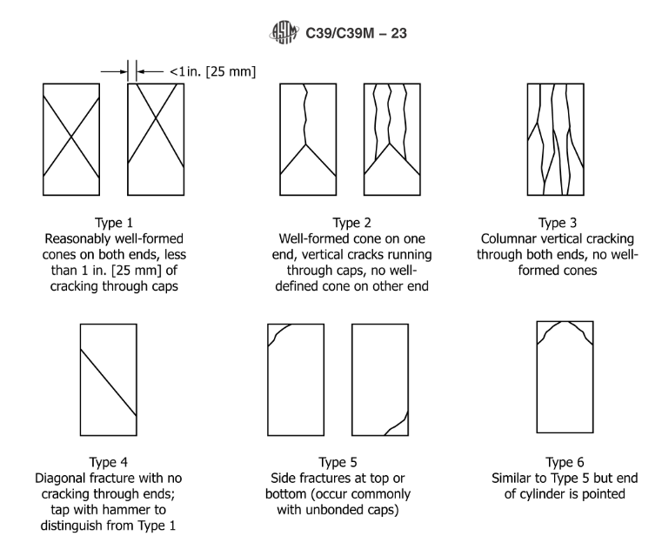

 |  |  |  |  |  |  |  |  |  |  |  |  |  |  | Minimum plant batch of at least 2 cy or 1/3 the rated capacity of the mixer, which ever is greater.

 |  |  |  |  |  |  |  |  |  |  |  |  |  |  | (3 cy for drilled shafts)
 |  |  |  |  |  |  |  |  |  |  |  |  |  |  | AASHTO T27 |  |  |  | Coarse & Fine Agg Gradation
 |  |  |  |  |  |  |  |  |  |  |  |  |  |  | AASHTO T255 |  |  |  | Moisture
 |  |  |  |  |  |  |  |  |  |  |  |  |  |  | AASHTO T 152 |  |  |  | Air Content
 |  |  |  |  |  |  |  |  |  |  |  |  |  |  | AASHTO T119 |  |  |  | Slump
 |  |  |  |  |  |  |  |  |  |  |  |  |  |  | AASHTO T 22 |  |  |  | Compressive Strength

